BP5
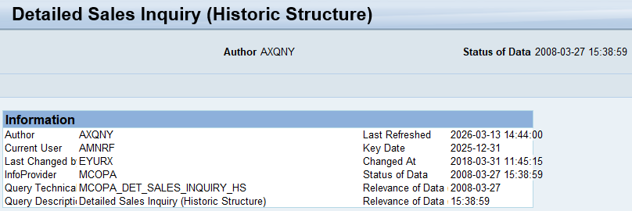

Fields | Filter

Posting Date | Day/Month/Year/YTD | Year to date - Actual / Current Year
Destination | Bunsiness Unit | K4 | DR Solutions
Sales Organization
Country
Product Family (Key)
Product Family (Text)
Material (Key)
Material (Tekst)
Base Unit
Sales document
Delivery date
Document Date
Syracuse/SalesOne Opportunity (Key)
Syracuse/SalesOne Opportunity (Text)
Bill-to party (Key)
Bill-to party (Text)
Ship-To Party (Key)
Ship-To Party (Text)
Functional area
Functional Area Grp
AcctAssgGr (Key)
AcctAssgGr (Text)
Key Figure: Sales quantity
Key Figure: Net Turnover

